Instructions
 | Standard Budget Form Instructions

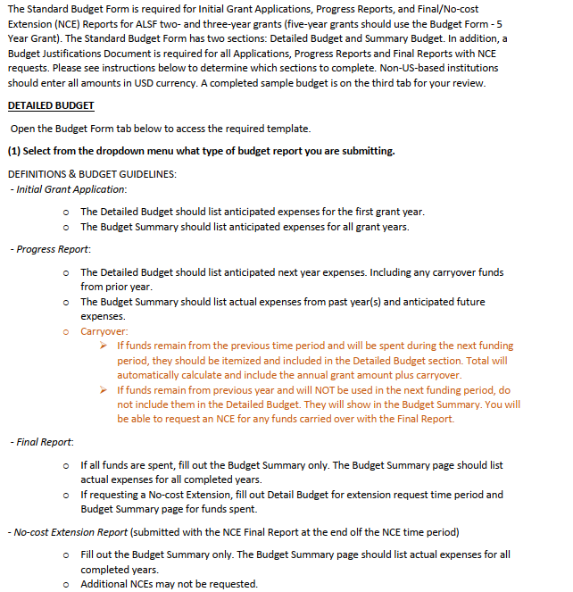

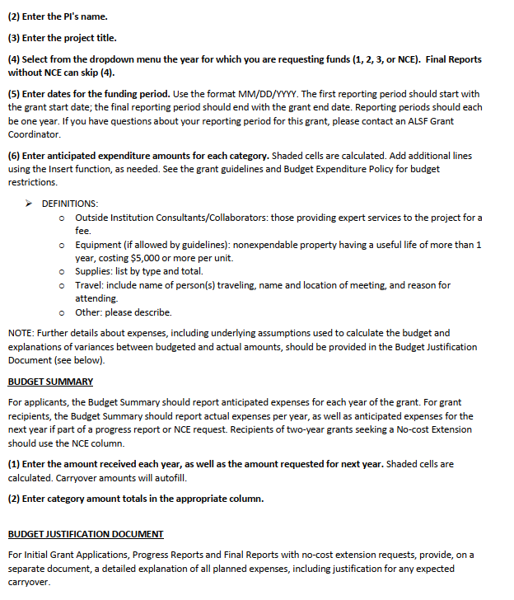

REV 11.2021

